Sheet1
Power generated (MWe) | 262
Thermal heat (MWth) | 582.2 |  |  |  |  |  | 349.3
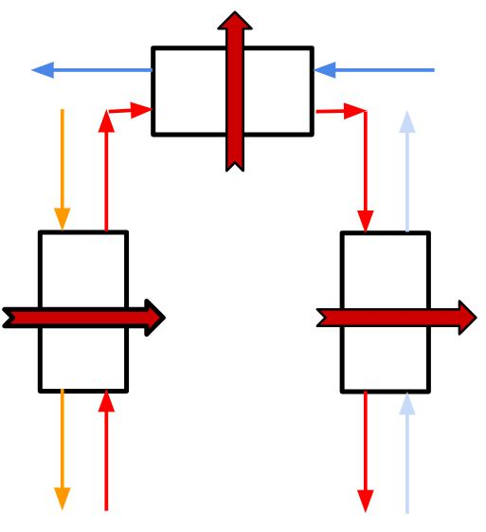
 | percentage | Heat |  |  | 520 |  |  | 25
Q Hydrogen | 60% | 349.3
Q Energy | 40% | 232.9

m_dot(Secondary) | 162
m_dot(tertiary) | 1414 |  |  | 621 | 598 |  |  | 445.6 | 438.93
m_dot(steam) | 225

cp_tertiary | 1621 |  |  |  | 582.2 |  |  | 232.9
P(steam) | 248
P(reheat) | 38
 |  |  |  | 454 | 344 |  |  | 344 | 288
U [Wm-2K-1] | 615
Finding A from original Q
dT1 | 60 | Th_in-Tc_out | 6.7
dT2 | 56 |  | 56 |  |  | 10042295.74
dTlm | 57.98 |  | 23.19047392
A | 16328.93616
Q/UA | 23.19080168

